th3-sizing
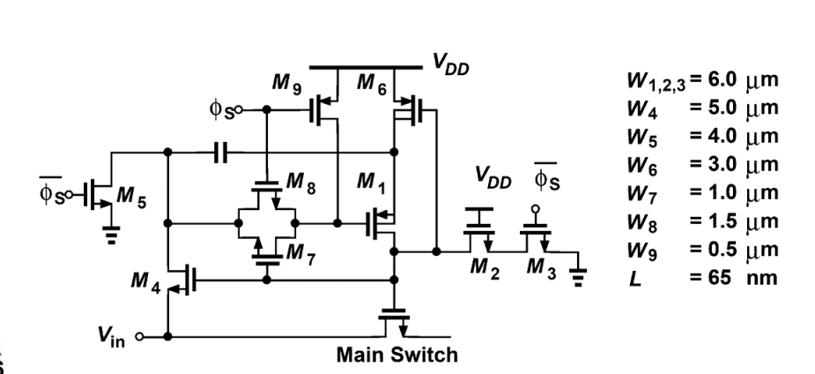
number | W | L | W/L | Lnew | Wnew | Wnewµ
1,2,3 | 6000 | 65 | 92.307692308 | 500 | 46153.846154 | 46.153846154
4 | 5000 | 65 | 76.923076923 | 500 | 38461.538462 | 38.461538462
5 | 4000 | 65 | 61.538461538 | 500 | 30769.230769 | 30.769230769
6 | 3000 | 65 | 46.153846154 | 500 | 23076.923077 | 23.076923077
7 | 1000 | 65 | 15.384615385 | 500 | 7692.3076923 | 7.6923076923
8 | 1500 | 65 | 23.076923077 | 500 | 11538.461538 | 11.538461538
9 | 500 | 65 | 7.6923076923 | 500 | 3846.1538462 | 3.8461538462

